2 marks
EmployeeID | EmployeeName | Department |  | Use VLOOKUP to find the department name of Employee ID 105 from the employee table
101 | John | HR |  | Sales
102 | Amit | Finance
103 | Sara | IT
104 | Lina | Marketing
105 | Raj | Sales
106 | Emma | Admin

OrderID | Region | Sales | Profit | Apply Conditional Formatting to highlight all sales values greater than 50,000 in red.
1001 | North | 50000 | 10000 | 45000
1002 | South | 52000 | 10400 | 52000
1003 | East | 67000 | 13400 | 67000
1004 | West | 48000 | 9600 | 48000
1005 | North | 72000 | 14400 | 72000
1006 | South | 35000 | 7000 | 35000

 |  |  |  | Use TEXT function to display today’s date in the format DD-MMM-YYYY.
 |  |  |  | 19-Sep-2025
Sales | Profit
20000 | 4000 |  |  | Perform a Goal Seek to find what sales amount is required to reach a profit of 10,000, if profit = sales × 0.2.
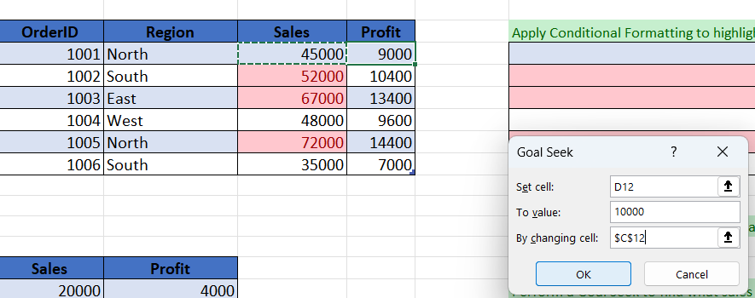
30000 | 6000
40000 | 8000
50000 | 10000
60000 | 12000

Dashboard
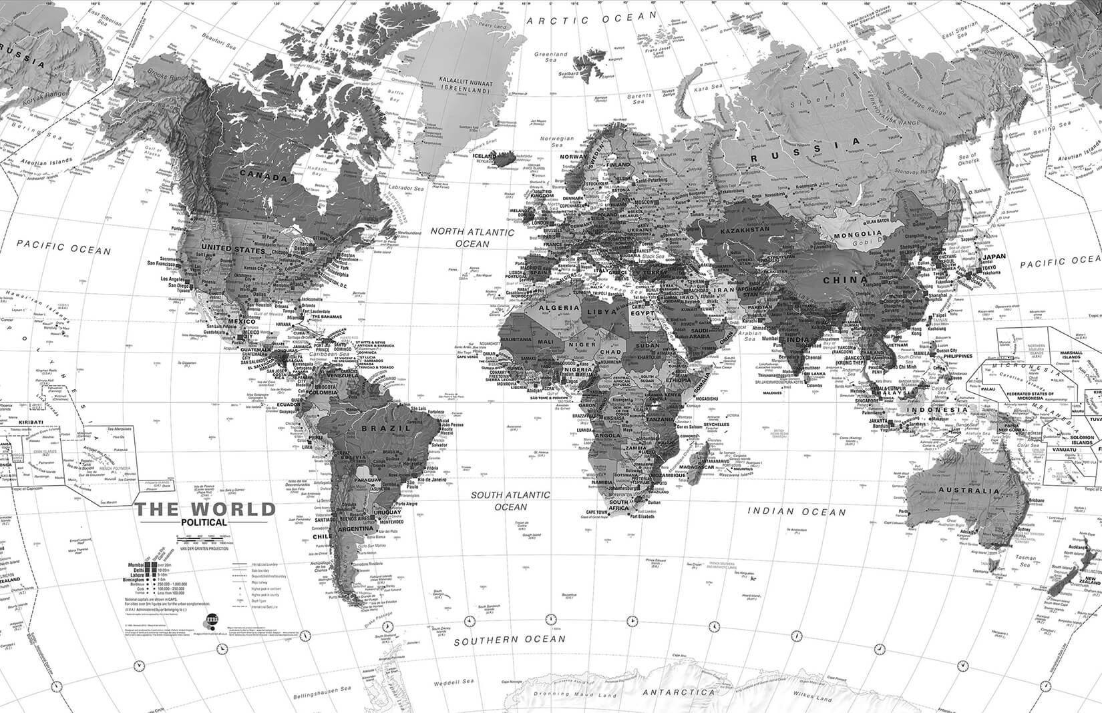
Global Finance data
UNEMPLOYEMENT VS INTREST
 | Sum of Interest_Rate_Percent | Sum of Unemployment_Rate_Percent
Total | 415.1 | 229.6
 | Sum of Oil_Price_USD_Barrel | Sum of Gold_Price_USD_Ounce
Total | 3036.15 | 97012.5

Macroeconomic Health |  | Global Trade |  | Financial Stability: |  | Commodity Influence : |  | Stock market exchange
GDP Growth | 5.929 | export growth | 2.833 |  |  |  |  | Daily change % | 25.51
 |  |  |  | Credit Rating | 0.39 | oil price | 30.3615
Inflation | 4.299 | import growth | 3.096
 |  |  |  | Bond Yield | 3.1784 | gold price | 970.125
intrest rate | 4.151 | current bal | 6.429
 |  |  |  | Political Risk | 2.744 | commodity index | 0.3808
unemployement | 2.296
DAILY STOCK CHANGE%
 | Total
Argentina | 3.45
Australia | 0.22
Brazil | 1.67
Canada | 0.45
Chile | 0.67
China | -0.82
Colombia | 0.89
Denmark | 0.23
Egypt | 1.45
France | 0.28
Germany | 0.67
Hong Kong | -1.23
India | 0.89
Indonesia | 0.45
Israel | -0.78
Italy | 0.34
Japan | 1.24
Malaysia | 0.67
Mexico | 0.91
Netherlands | 0.12
Nigeria | 2.1
Norway | 0.67
Peru | 1.12
Philippines | 0.89
Russia | 0.78
Saudi Arabia | 0.56
Singapore | 0.56
South Africa | 0.78
South Korea | -0.34
Spain | 0.67
Sweden | 0.45
Switzerland | 0.28
Taiwan | 0.78
Thailand | 0.34
Turkey | 2.34
UAE | 0.34
United Kingdom | -0.15
United States | 0.34
Vietnam | 1.23
 |  |  |  | Banking sector health | 0
Top Stock INDICES
 | Total
Merval | 1567890.2
Bovespa | 129834.2
NSE | 98765.4
Sensex | 80456.7
JSE | 75234.6
Market trends
 | Total
Argentina | 0.05
Australia | 1.8
Brazil | 1.4
Canada | 2.8
Chile | 0.2
China | 12.4
Colombia | 0.1
Denmark | 0.4
Egypt | 0.03
France | 3
Germany | 2.9
Hong Kong | 4.2
India | 4.3
Indonesia | 0.7
Israel | 0.4
Italy | 0.9
Japan | 6.8
Malaysia | 0.5
Mexico | 0.7
Netherlands | 1.1
Nigeria | 0.04
Norway | 0.4
Peru | 0.08
Philippines | 0.3
Russia | 0.6
Saudi Arabia | 2.8
Singapore | 0.8
South Africa | 0.4
South Korea | 1.9
Spain | 0.8
Sweden | 0.7
Switzerland | 1.8
Taiwan | 2.1
Thailand | 0.6
Turkey | 0.3
UAE | 0.7
United Kingdom | 3.1
United States | 51.2
Vietnam | 0.3
Goverment dept by Grade
 | 8/15/2024 0:00
A | 145.5
A- | 96.8
A+ | 401.1
AA | 330.8
AA+ | 0.1
AAA | 678.6
B- | 37.1
B+ | 121.8
BB- | 158.8
BB+ | 121.2
BBB | 238.9
BBB- | 84.2
BBB+ | 159.1
CCC+ | 78.9

 | Sum of Inflation_Rate_Percent | Sum of GDP_Growth_Rate_Percent
VN_Index | 4.1 | 6.4
TSX | 2.8 | 2.9
Sensex | 4.9 | 6.8
S&P_500 | 2.9 | 2.8
PSE | 3.7 | 5.8
OSE | 3.1 | 2.1
NSE | 21.8 | 3.2
Nikkei_225 | 2.8 | 0.9
MOEX | 7.4 | -1.9
Merval | 211.4 | -1.6
Lima_General | 2.8 | 2.8
JSE | 4.7 | 0.9
JCI | 2.8 | 5.1
IPSA | 4.1 | 2.4
IPC | 4.7 | 2.4
IBEX_35 | 3.2 | 2.5
EGX_30 | 33.1 | 2.8
COLCAP | 7.2 | 1.2
Bovespa | 4.5 | 2.1
BIST_100 | 64.8 | 3.1
ASX_200 | 3.8 | 1.7

Account line plot
 | Total
Argentina | -23.4
Australia | 67.8
Brazil | -46.9
Canada | 12.8
Chile | 23.4
China | 382.9
Colombia | -12.1
Denmark | 23.4
Egypt | -18.9
France | -22.1
Germany | 297.4
Hong Kong | 34.5
India | -23.1
Indonesia | -12.1
Israel | 23.4
Italy | -56.7
Japan | 49.7
Malaysia | 23.4
Mexico | -12.4
Netherlands | 89.7
Nigeria | 34.5
Norway | 78.9
Peru | 8.9
Philippines | -8.9
Russia | 67.8
Saudi Arabia | 34.5
Singapore | 67.8
South Africa | 8.9
South Korea | 67.4
Spain | 23.4
Sweden | 34.5
Switzerland | 67.8
Taiwan | 89.7
Thailand | 12.8
Turkey | -45.6
UAE | 67.8
United Kingdom | -85.6
United States | -695.2
Vietnam | 12.8
Potential risk rate
 | Total
Argentina | 1567890.2
Australia | 7923.4
Brazil | 129834.2
Canada | 22567.8
Chile | 5678.9
China | 2891.6
Colombia | 1234.5
Denmark | 2234.5
Egypt | 25678.9
France | 7389.2
Germany | 18234.5
Hong Kong | 17234.5
India | 80456.7
Indonesia | 7234.5
Israel | 1987.3
Italy | 33456.7
Japan | 36789.1
Malaysia | 1634.5
Mexico | 55234.6
Netherlands | 889.3
Nigeria | 98765.4
Norway | 1345.6
Peru | 23456.7
Philippines | 6789.1
Russia | 2789.1
Saudi Arabia | 12345.6
Singapore | 3456.7
South Africa | 75234.6
South Korea | 2634.5
Spain | 11123.8
Sweden | 2567.8
Switzerland | 12234.5
Taiwan | 22567.8
Thailand | 1567.8
Turkey | 10567.8
UAE | 9876.5
United Kingdom | 8156.3
United States | 5437.2
Vietnam | 1234.5

30 mark pivot table
Row Labels | Sum of Index_Value |  | Row Labels | Sum of Market_Cap_Trillion_USD
Merval | 1567890.2 |  | Argentina | 0.05
Bovespa | 129834.2 |  | Australia | 1.8
NSE | 98765.4 |  | Brazil | 1.4
Sensex | 80456.7 |  | Canada | 2.8
JSE | 75234.6 |  | Chile | 0.2
Grand Total | 1952181.1 |  | China | 12.4
 |  |  | Colombia | 0.1
Row Labels | Sum of Inflation_Rate_Percent | Sum of GDP_Growth_Rate_Percent | Denmark | 0.4
VN_Index | 4.1 | 6.4 | Egypt | 0.03
TSX | 2.8 | 2.9 | France | 3
Sensex | 4.9 | 6.8 | Germany | 2.9
S&P_500 | 2.9 | 2.8 | Hong Kong | 4.2
PSE | 3.7 | 5.8 | India | 4.3
OSE | 3.1 | 2.1 | Indonesia | 0.7
Market trends
NSE | 21.8 | 3.2 | Israel | 0.4
Nikkei_225 | 2.8 | 0.9 | Italy | 0.9
MOEX | 7.4 | -1.9 | Japan | 6.8
Merval | 211.4 | -1.6 | Malaysia | 0.5
Lima_General | 2.8 | 2.8 | Mexico | 0.7
JSE | 4.7 | 0.9 | Netherlands | 1.1
JCI | 2.8 | 5.1 | Nigeria | 0.04
IPSA | 4.1 | 2.4 | Norway | 0.4
IPC | 4.7 | 2.4 | Peru | 0.08
IBEX_35 | 3.2 | 2.5 | Philippines | 0.3
EGX_30 | 33.1 | 2.8 | Russia | 0.6
COLCAP | 7.2 | 1.2 | Saudi Arabia | 2.8
Bovespa | 4.5 | 2.1 | Singapore | 0.8
BIST_100 | 64.8 | 3.1 | South Africa | 0.4
ASX_200 | 3.8 | 1.7 | South Korea | 1.9
Grand Total | 400.6 | 54.4 | Spain | 0.8
 |  |  | Sweden | 0.7
 |  |  | Switzerland | 1.8
 |  |  | Taiwan | 2.1
Sum of Interest_Rate_Percent | Sum of Unemployment_Rate_Percent |  | Thailand | 0.6
415.1 | 229.6 |  | Turkey | 0.3
UNEMPLOYEMENT VS INTREST
 |  |  | UAE | 0.7
 |  |  | United Kingdom | 3.1
 |  |  | United States | 51.2
 |  |  | Vietnam | 0.3
 |  |  | Grand Total | 113.6

30 mark pivot table 3
DAILY STOCK CHANGE%
Row Labels | Sum of Daily_Change_Percent
Argentina | 3.45
Australia | 0.22
Brazil | 1.67
Canada | 0.45
Chile | 0.67
China | -0.82
Colombia | 0.89
Denmark | 0.23
Egypt | 1.45
France | 0.28
Germany | 0.67
Hong Kong | -1.23
India | 0.89
Indonesia | 0.45
Israel | -0.78
Italy | 0.34
Japan | 1.24
Malaysia | 0.67
Mexico | 0.91
Netherlands | 0.12
Nigeria | 2.1
Norway | 0.67
Peru | 1.12
Philippines | 0.89
Russia | 0.78
Saudi Arabia | 0.56
Singapore | 0.56
South Africa | 0.78
South Korea | -0.34
Spain | 0.67
Sweden | 0.45
Switzerland | 0.28
Taiwan | 0.78
Thailand | 0.34
Turkey | 2.34
UAE | 0.34
United Kingdom | -0.15
United States | 0.34
Vietnam | 1.23
Grand Total | 25.51

30 MARK PIVOT TABLE 2
Goverment dept by Grade
Sum of Government_Debt_GDP_Percent | Column Labels
Row Labels | 8/15/24 | Grand Total
A | 145.5 | 145.5
A- | 96.8 | 96.8
A+ | 401.1 | 401.1
AA | 330.8 | 330.8
AA+ | 0.1 | 0.1
AAA | 678.6 | 678.6
B- | 37.1 | 37.1
B+ | 121.8 | 121.8
BB- | 158.8 | 158.8
BB+ | 121.2 | 121.2
BBB | 238.9 | 238.9
BBB- | 84.2 | 84.2
BBB+ | 159.1 | 159.1
CCC+ | 78.9 | 78.9
Grand Total | 2652.9 | 2652.9

30 mark pivot table 4
Account line plot
Row Labels | Sum of Current_Account_Balance_Billion_USD
Argentina | -23.4
Australia | 67.8
Brazil | -46.9
Canada | 12.8
Chile | 23.4
China | 382.9
Colombia | -12.1
Denmark | 23.4
Egypt | -18.9
France | -22.1
Germany | 297.4
Hong Kong | 34.5
India | -23.1
Indonesia | -12.1
Israel | 23.4
Italy | -56.7
Japan | 49.7
Malaysia | 23.4
Mexico | -12.4
Netherlands | 89.7
Nigeria | 34.5
Norway | 78.9
Peru | 8.9
Philippines | -8.9
Russia | 67.8
Saudi Arabia | 34.5
Singapore | 67.8
South Africa | 8.9
South Korea | 67.4
Spain | 23.4
Sweden | 34.5
Switzerland | 67.8
Taiwan | 89.7
Thailand | 12.8
Turkey | -45.6
UAE | 67.8
United Kingdom | -85.6
United States | -695.2
Vietnam | 12.8
Grand Total | 642.9

30 mark pivot table 5
Sum of Oil_Price_USD_Barrel | Sum of Gold_Price_USD_Ounce
3036.15 | 97012.5

Sheet11
Potential risk rate
Row Labels | Sum of Index_Value
Argentina | 1567890.2
Australia | 7923.4
Brazil | 129834.2
Canada | 22567.8
Chile | 5678.9
China | 2891.6
Colombia | 1234.5
Denmark | 2234.5
Egypt | 25678.9
France | 7389.2
Germany | 18234.5
Hong Kong | 17234.5
India | 80456.7
Indonesia | 7234.5
Israel | 1987.3
Italy | 33456.7
Japan | 36789.1
Malaysia | 1634.5
Mexico | 55234.6
Netherlands | 889.3
Nigeria | 98765.4
Norway | 1345.6
Peru | 23456.7
Philippines | 6789.1
Russia | 2789.1
Saudi Arabia | 12345.6
Singapore | 3456.7
South Africa | 75234.6
South Korea | 2634.5
Spain | 11123.8
Sweden | 2567.8
Switzerland | 12234.5
Taiwan | 22567.8
Thailand | 1567.8
Turkey | 10567.8
UAE | 9876.5
United Kingdom | 8156.3
United States | 5437.2
Vietnam | 1234.5
Grand Total | 2338626.2

